Workbook guide
DRAIN SOLUTION MANAGEMENT PLAN WORKBOOK

This workbook is designed to support covered cropping and hydroponic growers to sustainably manage drain nutrient solution application to land. Drain nutrient solution, or drain solution for short, is the leftover nutrient or fertigation solution from covered cropping and hydroponic systems. Growers need to manage this solution appropriately to minimise environmental risk. This workbook closely aligns with the Drain Nutrient Solution Management Code of Practice 2026, for covered cropping and hydroponic growers. The Code of Practice steps growers through the process of developing a Drain Solution Management Plan, which includes capturing production and application site information, calculating storage requirements, and responsibly applying drain solution to land. The 2026 Code of Practice can be downloaded from HortNZ's website, under Grower Resources. The information included in this workbook could be used to help meet regulatory requirements, where applicable. Always contact the council or seek advice when looking to understand what specific requirements may apply. Instructions: Complete tabs 1 to 6 in the workbook, using the Code of Practice as a reference. The maintenance record tab is an optional space to capture maintenance activities. The Calculator tab is designed as a standalone tab, to test different scenarios. Use this to guide the development of your Drain Solution Management Plan. This workbook should be reviewed on an annual basis to track progress towards actions. To do this, we recommend keeping a working or current version of this workbook e.g. "J Capsicum Farm - DSMP workbook.xlsx", and saving a separate dated copy each year before reviewing. This will allow you to demonstrate progress over time. This workbook has a number of built-in formulas and links to help make information entry and navigation as easy as possible. Updates to this workbook may occur at any time. As part of your annual review, please check the HortNZ website to ensure you are usi
Cells coloured light yellow are fillable. |  |  | Draft for consultation

Workbook contents

Calculator | Built in formulas to complete all calculations in Section 5 of the Code of Practice: Calculating your requirements.
1. Overview | Summary of key business details and space to write goals relating to drain nutrient solution management.
2. Production site | Capture key covered cropping or hydroponic production site details.
3. Application site | Record key environmental features of the drain solution application site.
4. Application record | Table to record drain solution land applications and track nutrient loadings.
5. Reporting dashboard | Downloadable summary report of drain solution land applications, including nutrient loadings.
6. Action plan | Capture actions relating to drain solution management.
Maintenance record | Customisable table that could be used as a maintenance log.

This Excel workbook will be reviewed, as necessary, by Horticulture New Zealand Incorporated. Suggestions for alterations, deletions or additions to this workbook, should be sent, together with reasons for the change, any relevant data and contact details of the person making the suggestion to info@hortnz.co.nz. Disclaimer: Horticulture New Zealand and Agrilink NZ do not accept any responsibility or liability whatsoever for any error of fact, omission, interpretation or opinion that may be present, however it may have occurred.


 |  | Version |  | 2.0
 |  | Date last updated |  | 2026-05-28
 |  | Next review date |  | 2027-06-01

2. Production site
EXAMPLE SYSTEM DIAGRAM
2. PRODUCTION SITE DESCRIPTION
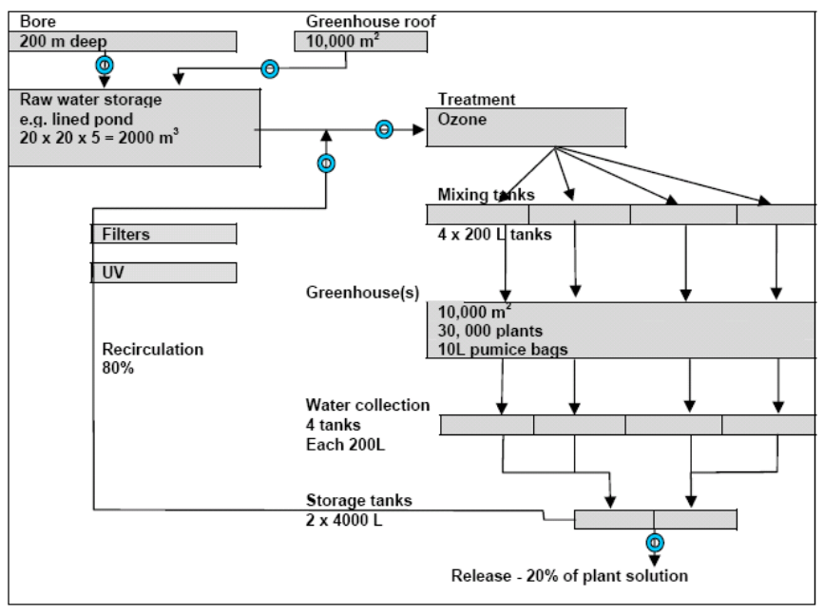
Use this table below to capture key design features of your production site (e.g. greenhouse, tunnel houses) that generates the drain nutrient solution this workbook relates to. This information forms part of your Drain Solution Management Plan (DSMP). If you have all of this information already captured, for example, as part of your GAP requirements, please indicate that in the yellow cell below and leave this tab blank. The information in these tables should be accompanied by a detailed system diagram (example provided on the right). Key points: - One workbook should be used for each production site and associated drain application site. - If you have multiple production sites in a range of locations that each have a drain irrigation site, it is recommended to use a new workbook, so there is one Management Plan per irrigation site. - This will help simplify record keeping if different sites are located within different regional councils. - If the site contains multiple houses or structures that are constructed or managed differently, fill in one column for each different structure.

My production information is stored elsewhere: |  | I have up-to-date system diagrams available:

2.1 Facility information

 | Production sites Fill in multiple columns if your production site contains multiple houses that are constructed or managed differently.
Name or facility ID
Production area (m2)
Type of production facility e.g. tunnel houses, greenhouse
Type of system e.g. run-to-waste, closed reticulated
Crop information e.g. crops grown, annual sequence
Rooting environment and media e.g. rockwool, bag, coir
Fertigation method e.g. dripper, capillary, sprinkler
Water source e.g. roof/rainwater, bore
Water treatment system e.g. ozone
2.2 Drain solution storage

Description of drain storage e.g. ponds (lined, unlined), tanks
Total storage available for drain solution

5. Reporting dashboard
5. REPORTING DASHBOARD

This dashboard supports you to track your drain solution applications and nutrient loadings over time. Using the cells below, the dashboard uses the application records entered into tab 4. Application record to provide an application summary. This could be used for consent purposes or for growers to track their nutrient loadings over the month or year, if required for nutrient budgeting or to meet council standards. The dashboard has been set up for you to easily print to pdf, if a hard copy is needed. Instructions: 1. The business details are prepopulated, based on information entered into the tabs 1. Overview and 3. Application site. 2. Enter in the start and end dates for the period you would like summary data for. Use the dropdowns provided. 4. Note down what crops or ground cover were present for the reporting period (e.g. ryegrass pasture for dairy) 3. If there is data available for the dates used, the application summary and graph will populate. To print or save as a pdf: 1. To save this page as a pdf for printing or filing purposes, select File > Print. 2. Select 'Microsoft Print to pdf' from the dropdown printer menu. 3. Click print, then choose a file name and save in a suitable location when prompted.

 | DRAIN NUTRIENT SOLUTION APPLICATION REPORT

 | BUSINESS DETAILS |  |  |  | REPORTING PERIOD

 | Business name: |  |  |  |  | Day | Month | Year
 | Date prepared: |  | 2026-05-28 |  | Start date | 1 | January | 2026
 | Application site address: |  |  |  | End date | 30 | June | 2026

 | Total application area (ha) |  | 0.0 |  | Ground cover/crop(s)

 | DRAIN SOLUTION APPLICATION SUMMARY

 | These values are summarised across all applications on the application site, over all blocks, for the period 01 Jan 2026 to 30 Jun 2026
 | DRAIN APPLICATION VOLUMES |  |  |  | NUTRIENTS APPLIED
 | Total drain volume applied (m3) |  |  | 0 | Total nitrogen applied over reporting period (kg N/ha) |  |  | 0
 | Total hectares of drain solution applied (ha) |  |  | 0 | Average monthly nitrogen application rate (kg N/ha) |  |  | 0
 | Average daily application rate (m3/day) |  |  | 0 | Total phosphorus applied over reporting period (kg P/ha) |  |  | 0
 | Average monthly application rate (m3/month) |  |  | 0 | Average monthly phosphorus application rate (kg P/ha) |  |  | 0

 | VOLUME APPLIED OVER TIME
 | This graph displays all drain solution applications over all blocks, for the period 01 Jan 2026 to 30 Jun 2026
 | VOLUME APPLIED OVER TIME
0

 | Report prepared using the Drain Solution Management Plan workbook, developed by HortNZ and Agrilink NZ.
 | Version: | 2.0

